Sheet1
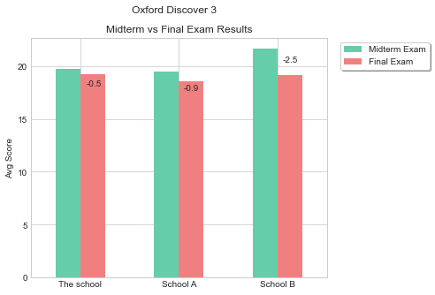
Other Schools | Midterm Exam | Final Exam
Compared to School A | 0.2 | 0.7
Compared to School B | -1.9 | 0.1

